Instructions-PIS Submission
California Tax Credit Allocation Committee
Attachments – Placed in Service (PIS) Submission Guide

Applicants must submit all of the PIS package materials electronically on a USB flash drive. TCAC will not accept submissions of application documents by email or over the internet.

When compiling the flash drive, order folders according to the PIS Checklist. The Electronic Application MUST be an Excel file, be labeled with the project name, and specify “PIS-Application.” For the attachments, if the same document appears under more than one tab, please include the document in the first of the tabs. Please also include a one-page pdf document in the later tabs in place of the document itself, cross-referencing the tab under which the actual document is located. If a TAB is not applicable to the project, either remove the folder entirely or mark “- NA” in the folder name:

Do not create multiple "NA" PDF sheets or folders within folders unnecessarily for non-applicable items.

Please refer to the following visual as a guide:
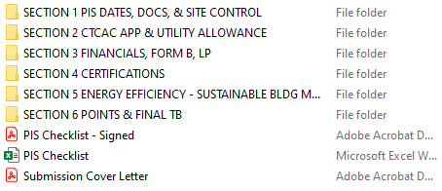

Under each folder, name each file according to the tab and the name of the document as described on the PIS Checklist. All copies of documents must be legible with reasonably-sized font and, when applicable, clear signatures and dates. PDF’s should be searchable whenever possible.

Please refer to the following visual as a guide:
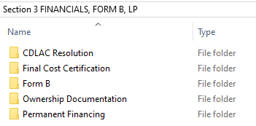

For general Placed in Service application questions please contact a PIS analyst on CTCAC’s “Placed in Service Package and Tax Form(s) Request” webpage:

https://www.treasurer.ca.gov/ctcac/inservice/STOhome.asp

 | July 2025

